Appeals full plan journey
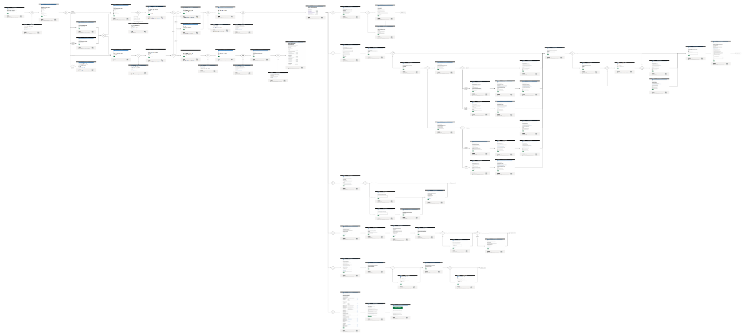

The tests steps and test criteria have been captured from the most recent stable version of the system, not a requirements document. Consequently any errors captured from the system will be baked into these test and validation steps. As a result this document should be periodically reviewed.

Note: All test Urls are using the test environment domain so testing should be done in this environment for correctness

